EEPROM

1500024-I | 1500024-I;PV1_A03 | 268085140000001
 |  | 268085140000002
 |  | 268085140000003
 |  | 268085140000004
 |  | 268085140000005
 |  | 268085140000006
 |  | 268085140000007
 |  | 268085140000008
 |  | 268085140000009
 |  | 268085140000010
 |  | 268085140000011
 |  | 268085140000012
 |  | 268085140000013
 |  | 268085140000014

 |  | 268108570000001
 |  | 268108570000002

 |  | 268085180000001
 |  | 268085180000002
 |  | 268085180000003
 |  | 268085180000004
 |  | 268085180000005
 |  | 268085180000006
 |  | 268085180000007
 |  | 268085180000008
 |  | 268085180000009
 |  | 268085180000010
 |  | 268085180000011
 |  | 268085180000012
 |  | 268085180000013
 |  | 268085180000014
 |  | 268085180000015
 |  | 268085180000016
 |  | 268085180000017
 |  | 268085180000018
 |  | 268085180000019
 |  | 268085180000024
 |  | 268085180000026
 |  | 268085180000027
 |  | 268085180000030
 |  | 268085180000033

Note
65 SN pega | pega |  | etched | No. | 51x ship back to HQ | Failures
264967320000007 | 264967320000007 | A00 | 267693980000044 | 1 | 267342840000021
265094660000010 | 265094660000010 | A00 | 267693980000027 | 2 | 267342840000041
265094660000007 | 265094660000007 | A00 | 267693980000040 | 3 | 267342840000009 |  |  |  |  |  | Etched | Pega
265094660000005 | 265094660000005 | A00 | 267693980000008 | 4 | 267342840000035 |  |  |  |  |  | 268085180000001 | 268108570000002 | 1 | 267693980000044 | 267693980000044 |  | 1 | 268085180000001
266471920000006 | 267342840000021 | A03 PV1-CFG8 | 267693980000017 | 5 | 267342840000032 |  |  |  |  |  | 268085180000002 | 268085180000032 | 2 | 267693980000027 | 267693980000027 |  | 2 | 268085180000002
266471920000003 | 267342840000041 | A03 PV1-CFG8 | 267693980000053 | 6 | 267693980000044 |  |  |  |  |  | 268085180000003 | 268085180000023 | 3 | 267693980000040 | 267693980000040 |  | 3 | 268085180000003
266471930000005 | 267342840000009 | A03 PV1-CFG8 | 267693980000033 | 7 | 267693980000027 |  |  |  |  |  | 268085180000004 | 268085180000004 | 4 | 267693980000008 | 267693980000008 |  | 4 | 268085180000006
266471930000004 | 267486320000024 | Build 2026/07/06, treat as good chip, OK to proceed 4U | 267693980000035 | 8 | 267693980000040 |  |  |  | 4U SN | Sohu Module SN | 268085180000005 | 268085180000025 | 5 | 267693980000017 | 267693980000017 |  | 5 | 268085180000010
266471930000002 | 267486320000008 | Build 2026/07/06, treat as good chip, OK to proceed 4U | 267693980000005 | 9 | 267693980000008 |  |  |  | TBD | 268085140000013 | 268085180000006 | 268085180000005 | 6 | 267693980000053 | 267693980000053 |  | 6 | 268085180000011
266471940000001 | 267486320000036 | Build 2026/07/06, treat as good chip, OK to proceed 4U | 267693980000013 | 10 | 267693980000017 |  |  |  |  | 268085140000004 | 268085180000010 | 268085180000027 | 7 | 267693980000033 | 267693980000033 |  | 7 | 268085180000012
 | 268085140000005 | Build 2026/07/21, HTT FAIL | 267693980000019 | 11 | 267693980000053 |  |  |  |  | 268085140000007 | 268085180000011 | 268085180000007 | 8 | 267693980000035 | 267693980000035 |  | 8 | 268085180000013
266471940000009 | 267342840000032 | A03 PV1-CFG8 | 268085180000023 | 12 | 267693980000033 |  |  |  |  | 268085140000008 | 268085180000012 | 268085180000016 | 9 | 267693980000005 | 267693980000005 |  | 9 | 268085180000014
 | 267342840000035 | A03 PV1-CFG8 | 268086800000017 | 13 | 267693980000035 |  |  |  |  | 268085140000014 | 268085180000015 | 268085180000014 | 10 | 267693980000013 | 267693980000013 |  | 10 | 268085180000015
267342840000021 | 26717141400009 | known bad ASIC, leave at Pega factory | 267693980000038 | 14 | 267693980000005 |  |  |  |  | 268085140000003 | 268085180000017 | 268085180000009 | 11 | 267693980000038 | 267693980000038 |  | 11 | 268085180000016
267342840000041 | 26717141400034 | known bad ASIC, leave at Pega factory | 267693980000025 | 15 | 267693980000013 |  |  |  |  | 268085140000002 | 268085180000019 | 268085180000008 | 12 | 267693980000025 | 267693980000025 |  | 12 | 268085180000017
267342840000009 | 26717141400026 | known bad ASIC, leave at Pega factory | 267693980000018 | 16 | 267693980000038 |  |  |  |  | 268085140000012 | 268085180000020 | 268085180000013 | 13 | 267693980000018 | 267693980000018 |  | 13 | 268085180000019
267342840000035 | 26717141400026 | known bad ASIC, leave at Pega factory | 267693980000021 | 17 | 267693980000025 |  |  |  |  |  | 268085180000021 | 268085180000018 | 14 | 267693980000021 | 267693980000021 |  | 14 | 268085180000020
267342840000032 | 26717141400032 | known bad ASIC, leave at Pega factory | 267693980000009 | 18 | 267693980000018 |  | 268085140000009 | First MLT / HTT PASS, OK to proceed 4U |  |  | 268085180000023 | 268086800000022 | 15 | 267693980000009 | 267693980000009 |  | 15 | 268085180000026
267951290000011 | 267693980000040 |  | 267693980000014 | 19 | 267693980000021 |  | 267486320000008 | Retest PASS, OK to proceed 4U |  |  | 268085180000024 | 268086800000002 | 16 | 267693980000014 | 267693980000014 |  | 16 | 268085180000028
267951290000014 | 267693980000035 |  | 267693980000011 | 20 | 267693980000009 |  | 267486320000024 | Retest PASS, OK to proceed 4U |  |  | 268085180000025 | 268086800000018 | 17 | 267693980000011 | 267693980000011 |  | 17 | 268085180000029
267951290000023 | 267693980000053 |  | 267693980000001 | 21 | 267693980000014 |  | 267486320000036 | Retest PASS, OK to proceed 4U |  |  | 268085180000026 | 268086800000017 | 18 | 267693980000001 | 267693980000001 |  | 18 | 268085180000033
267951290000024 | 267693980000005 |  | 267693980000045 | 22 | 267693980000011 |  | 267951290000020 | choose from 37x failures boneplie (w/busbar |  |  | 268085180000028 | 268086800000008 | 19 | 267693980000045 | 267693980000045 |  | 19 | 268086800000001
267951290000010 | 267693980000038 |  | 267693980000006 | 23 | 267693980000001 |  | 267951290000002 | choose from 37x failures boneplie (w/busbar |  |  | 268085180000029 | 268086800000015 | 20 | 267693980000006 | 267693980000006 |  | 20 | 268086800000003
267342840000008 | 267693980000021 |  | 267693980000063 | 24 | 267693980000045 |  | 267836150000006 | choose from 37x failures boneplie (w/busbar |  |  | 268085180000030 | 268086800000021 | 21 | 267693980000063 | 267693980000063 |  | 21 | 268086800000005
267093910000027 | 267693980000001 |  | 267693980000003 | 25 | 267693980000006 |  | 267836150000010 | choose from 37x failures boneplie (w/busbar |  |  | 268085180000032 | 268086800000020 | 22 | 267693980000003 | 267693980000003 |  | 22 | 268086800000009
267093910000003 | 267693980000011 |  | 267693980000078 | 26 | 267693980000063 |  |  |  |  |  | 268085180000033 | 268085180000024 | 23 | 267693980000078 | 267693980000078 |  | 23 | 268086800000011
267093910000014 | 267693980000003 |  | 267693980000068 | 27 | 267693980000003 |  |  |  |  |  | 268086800000001 | 268086800000010 | 24 | 267693980000019 | 267693980000019 |  | 24 | 268086800000013
267093910000001 | 267693980000063 |  | 267836150000011 | 28 | 267693980000078 |  |  |  |  |  | 268086800000002 | 268085180000030 | 25 | 267693980000068 | 267693980000068 |  | 25 | 268086800000014
267093910000030 | 267693980000009 |  | 267951290000011 | 29 | 267693980000019 |  |  |  |  |  | 268086800000003 | 268086800000004 | 26 | 267836150000011 | 267836150000011 |  | 26 | 268086800000016
 | 267693980000068 |  | 267951290000014 | 30 | 267693980000068 |  |  |  |  |  | 268086800000004 | 268086800000006 | 27 | 267951290000011 | 267951290000011 |  | 27 | 268086800000019
267693980000027 | 267836150000011 |  | 267951290000020 | 31 | 267836150000011 |  |  |  |  |  | 268086800000005 | 268086800000012 | 28 | 267951290000014 | 267951290000014 |  | 28 | 268086820000002
267693980000040 | 268085180000025 |  | 267951290000024 | 32 | 267951290000011 |  |  |  |  |  | 268086800000006 | 268086800000007 | 29 | 267951290000020 | 267951290000020 |  | 29 | 268086820000003
267693980000035 | 268085180000004 |  | 267951290000010 | 33 | 267951290000014 |  |  |  |  |  | 268086800000007 | 268085180000021 | 30 | 267951290000024 | 267951290000024 |  | 30 | 268086820000004
267693980000044 | 268085180000005 |  | 267951290000023 | 34 | 267951290000024 |  |  |  |  |  | 268086800000008 | 268085180000017 | 31 | 267951290000010 | 267951290000010 |  | 31 | 268086820000005
267693980000008 | 268108570000002 |  | 267951290000002 | 35 | 267951290000010 |  |  |  |  |  | 268086800000009 | 268085180000029 | 32 | 267951290000023 | 267951290000023 |  | 32 | 268086820000009
267693980000017 | 268085180000023 |  | 267836150000006 | 36 | 267951290000023 |  | Over weekend (7/31) |  |  |  | 268086800000010 | 268085180000003 | 33 | 267951290000002 | 267951290000002 |  | 33 | 268086820000010
267693980000053 | 268085180000009 |  | 267836150000010 | 37 | 267836150000005 |  | 268086800000022 | station 1 |  |  | 268086800000011 | 268085180000011 | 34 | 267836150000006 | 267836150000006 |  | 34 | 268086820000011
267693980000033 | 268085180000027 |  | 267836150000005 | 38 | 268085140000010 |  | 268086800000010 | station 1 |  |  | 268086800000012 | 268085180000010 | 35 | 267836150000010 | 267836150000010 |  | 35 | 268086820000014
267693980000005 | 268085180000007 |  | 267784840000006 | 39 | 268085140000006 |  | 267693980000040 | station 1 |  |  | 268086800000013 | 268085180000002 | 36 | 267836150000005 | 267836150000005 |  | 36 | 268086820000015
267693980000038 | 268085180000008 |  | 268086800000021 | 40 | 268085140000005 |  | 267693980000027 | station 1 |  |  | 268086800000014 | 268085180000012 | 37 | 267784840000006 | 267784840000006 | WUS | 37 | 268086820000016
267693980000013 | 268085180000024 |  | 268086800000015 | 41 | 268086820000031 |  | 268085140000009 | station 4 |  |  | 268086800000015 | 268085180000001 |  |  |  |  | 38 | 268086820000020
267693980000018 | 268086800000017 |  | 268085180000030 | 42 | 268086800000017 |  | 267342840000021 | station 4 |  |  | 268086800000016 | 268085180000006 |  |  |  |  | 39 | 268086820000025
267693980000021 | 268086800000008 |  | 268086800000004 | 43 | 268085180000004 |  | 267342840000041 | station 4 |  |  | 268086800000017 | 268108570000001 |  |  |  |  | 40 | 268086820000028
267693980000045 | 268086800000022 |  | 268086820000013 | 44 | 268086800000020 |  | 267342840000009 | station 5 |  |  | 268086800000018 | 268085180000026 |  |  |  |  | 41 | 268086820000032
267693980000001 | 268086800000020 |  | 268086820000001 | 45 | 268085180000007 |  | 267342840000032 | station 5 |  |  | 268086800000019 | 268085180000033 |  |  |  |  | 42 | 268086820000033
267693980000011 | 268086800000002 |  | 268086820000006 | 46 | 268085180000022 |  | 267342840000035 | station 5 |  |  | 268086800000020 | 268085180000019 |  |  |  |  | 43 | 268108570000001
267693980000006 | 268086800000018 |  | 268086820000023 | 47 | 268086800000002 |  | 267693980000019 | station 2 (already installed |  |  | 268086800000021 | 268086800000019 |  |  |  |  | 44 | 268086820000027
267693980000003 | 268086800000012 |  | 268086820000018 | 48 | 268085180000030 |  | 267693980000013 | station 2 (already installed |  |  | 268086800000022 | 268085180000015 |  |  |  |  | 45 | 268086820000030
267693980000063 | 268086800000010 |  | 268085180000018 | 49 | 268086820000007 |  | 267693980000044 | station 2 (already installed |  |  | 268086820000011 | 268086800000005 |  |  |  |  | 46 | 268086820000026
267693980000014 | 268086800000007 |  | 268085180000031 | 50 | 268086820000017 |  | 267693980000027 | station 2 (already installed |  |  | 268086820000014 | 268086800000011 |  |  |  |  | 47 | 268086820000021
267693980000009 | 268086800000006 |  | 268085180000025 | 51 | 268086820000012 |  |  |  |  |  | 268108570000001 | 268086800000013 |  |  |  |  | 48 | 268086820000019
267693980000068 | 268085180000021 |  | 268085180000005 | 52 | 267342840000008 |  |  |  |  |  | 268108570000002 | 268086800000014 |  |  |  |  | 49 | 268086820000022
267693980000078 | 268085180000022 |  | 268108570000002 |  |  |  |  |  |  |  | 268085180000007 | 268086820000014
267693980000019 | 268086820000024 |  | 268086800000012 |  |  |  |  |  |  |  | 268085180000008 | 268086800000001
267836150000011 | 268086820000029 |  | 268085180000008 |  |  |  |  |  |  |  | 268085180000009 | 268086800000003
267836150000005 | 268086820000008 |  | 268085180000009 |  |  |  |  |  |  |  | 268085180000013 | 268085180000020
267693980000025 | 267693980000025 |  | 268085180000027 |  |  |  |  |  |  |  | 268085180000014 | 268085180000028
 | 268085180000030 |  | 268086820000024 |  |  |  |  |  |  |  | 268085180000016 | 268086800000016
268085180000025 | 268085180000018 |  | 268086820000029 |  |  |  |  |  |  |  | 268085180000018 | 268086820000011
268085180000004 | 268086800000015 |  | 268086800000022 |  |  |  |  |  |  |  | 268085180000027 | 268086800000009
268085180000005 | 268086820000013 |  | 268086800000010
268108570000002 | 268086800000004 |  | 268085180000021
268085180000032 | 268086820000001 |  | 268085180000007
268085180000023 | 268086820000006 |  | 268085180000022
268085180000009 | 268086820000023 |  | 268086820000007
268085180000027 | 268086820000031 |  | 268086820000017
268085180000007 | 267693980000006 |  | 268085140000010
268085180000008 | 267951290000011 |  | 268085180000004
268085180000018 | 267951290000023 |  | 268086800000020
268085180000030 | 267693980000078 |  | 268086800000002
268085180000024 | 268086820000007 |  | 268086800000018
268086800000017 | 268086820000012 |  | 268086800000008
268086800000021 | 268086820000017 |  | 268085140000006
268086800000008 | 268085140000006 |  | 268086800000006
268086800000022 | 267951290000014 |  | 268086800000007
268086800000020 | 268085140000010 |  | 268086820000008
268086800000002 | 267951290000010 |  | 268086820000012
268086800000018 | 268085180000032 |  | 268086820000031
268086800000015 | 268086820000018 |  | 268085180000032
268086800000004 | 268085180000031 |  | 268085180000024
268086800000012 | 267693980000045
268086800000010 | 267693980000008
268086800000006 | 267836150000006
268085180000021 | 267693980000014
268085180000022 | 267951290000020
268085180000031 | 267693980000018
268086820000024 | 267836150000010
268086820000031 | 267951290000002
268086820000007 | 267836150000005
268086820000012 | 267951290000024
268086820000029 | 267693980000017
268086820000017 | 268086800000021
268086820000008 | 267693980000033
268086820000023 | 267693980000044
268086820000006 | 267693980000013
268086820000018 | 267693980000019
268086820000001 | 267693980000027
268086820000013
268086800000007

268085140000010
268085140000006
268085140000005

 | 70x MLT 218 Failures Pareto
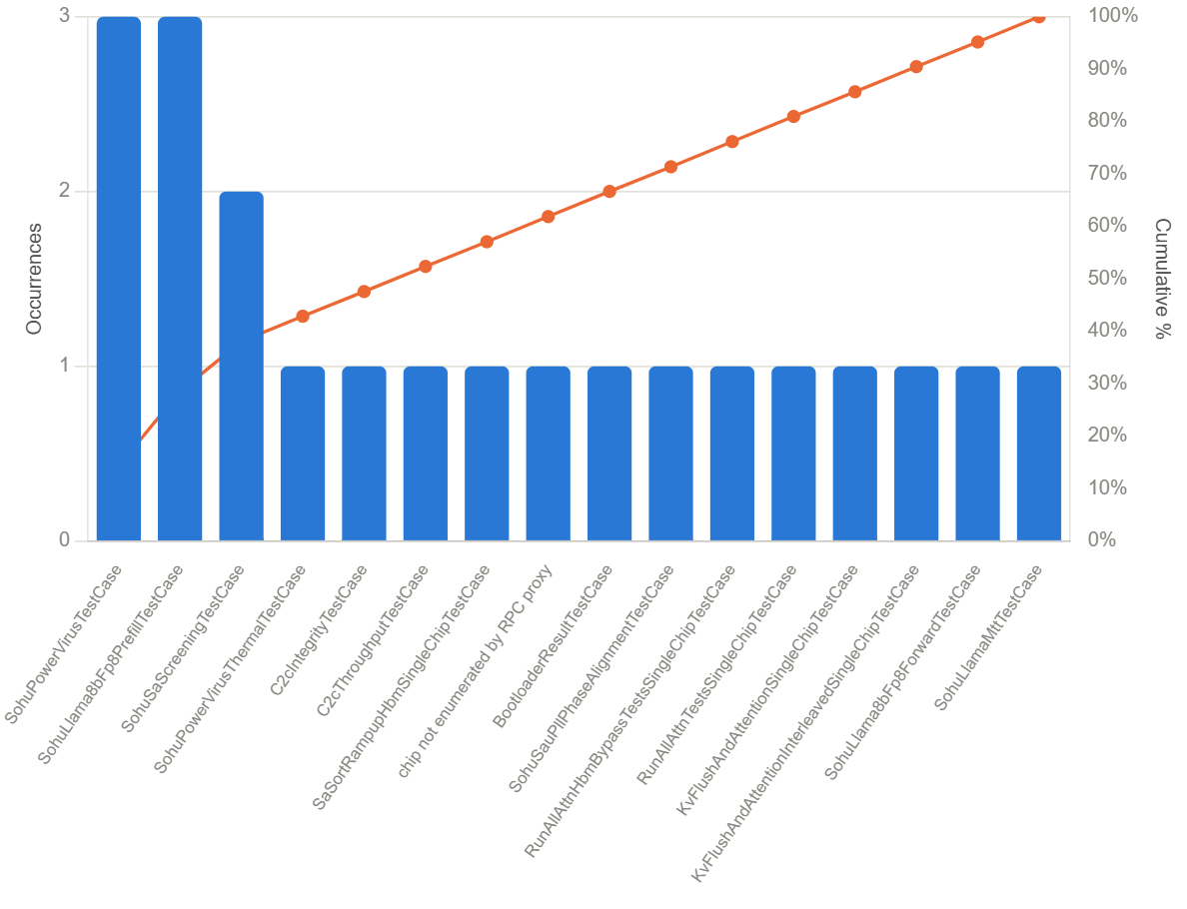

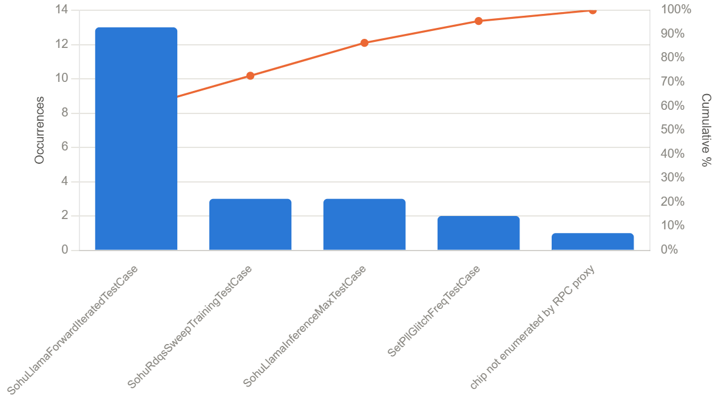
 | 60x HTT 217 Failures Pareto

